Sheet1
1 | Unwrap "Pepper Simulator.zip" and open it's folder.

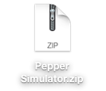


2 | Open "How to install Pepper Tablet Emulator (for Mac).txt" and follow the instuctions given in the file.

3 | After successfully followed the instruction given from the file "How to install Pepper Tablet Emulator (for Mac).txt", a Choregraphe application should be already opened. Create directories: "html"; "html/css"; "html/js" in Choregraphe. And should look like this:

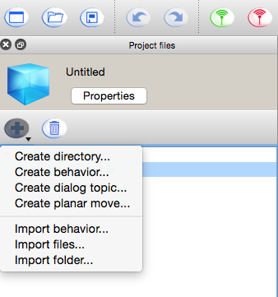

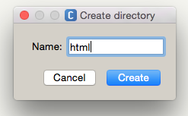

4 | Copy "PS_resources/html/censor.html", "PS_resources/html/js/censor_function.js", "PS_resources/html/css/style.css" (this file is optional, but it will help) using Choregraphe's "Import files" function.
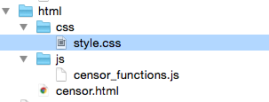
 |  | Place the files according to their respective folders.

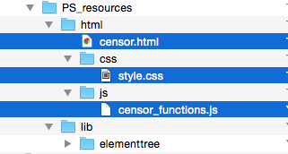

5 | Copy "PS_resources/lib" directory to Choregraphe using Choregraphe's "Import files" function.

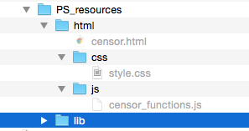
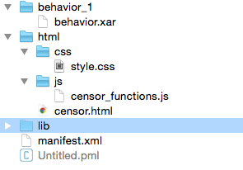

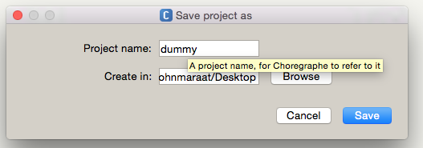

6 | Save the Choregraphe file with your desired filename ("dummy" for our example filename). Then open a new project, "PS/PS.pml" using Choregraphe. Then copy (CTRL+C) the two boxes inside the Choregraphe project ("Load ElementTree Library", and "Censor Emulator").

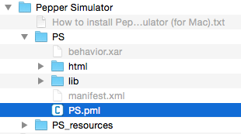
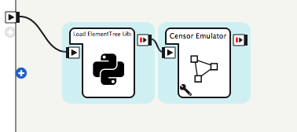

7 | Reopen your previously saved project ("dummy.pml") in Choregraphe. And paste the boxes ("Load ElementTree Library", and "Censor Emulator") to the project.
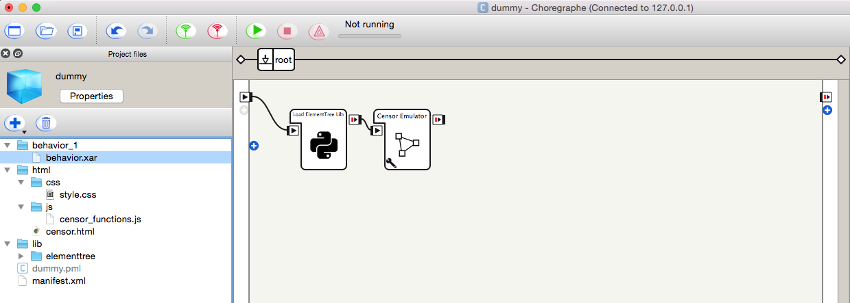

8 | Make sure to change the parameter value of "Censor Emulator" box to what behavior name it belongs. In our case it belongs to "behavior_1". If the behavior is the root behavior, the 'Behavior Name' parameter should be 'root' (the default value of the parameter is 'root').
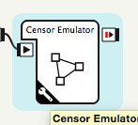
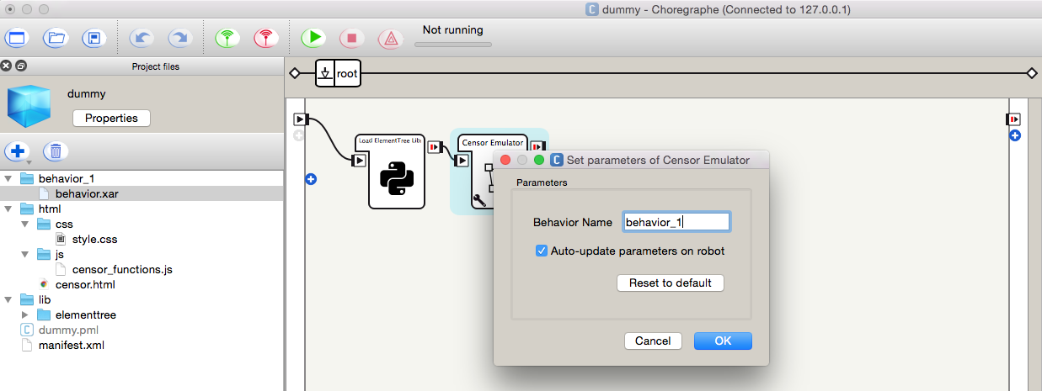

 | Note: If you have multiple behaviors, make sure to copy "Censor Emulator" box to behaviors that you need to simulate the censors and do instruction #8 to each copy of "Censor Emulator" box. And "Load ElementTree Library" should be in the behavior that runs in the application first (usually it's the .root behavior). A web browser window will open once the behavior with "Censor Emulator" box starts.

9 | Continue developing with your project without connecting to Pepper.

 | Note: In executing self.tabletService.showWebview, use the provided path to locate the html file: self.tabletService.showWebview("http://localhost/apps/.lastUploadedChoregrapheBehavior/file.html").

